PT. PRASIDA LANTUR MAJU (Wine)
DATE | INV NO. | DESCRIPTIONS | QTY | BILLS | PRICE | TOTAL | DUE DATE | Rp1,315,750
3-Mar-2026 | PLM-INV0690/2026 | ISOLA BIANCO 750 ML | 2 | 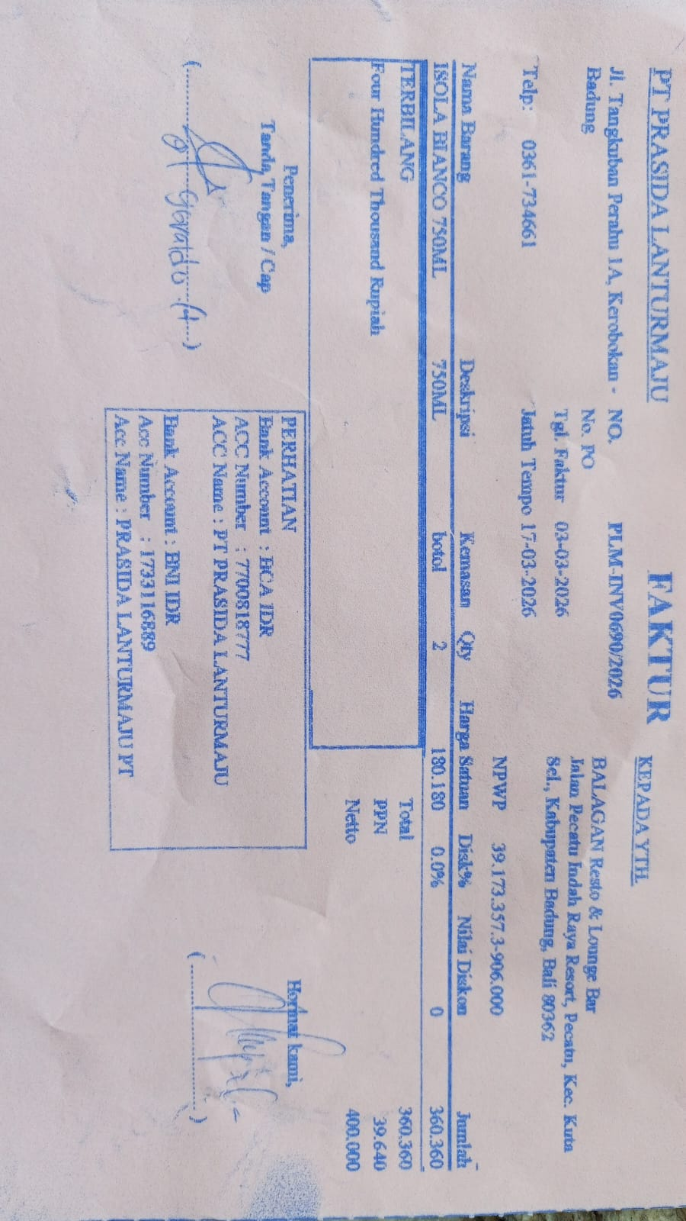 | IDR 180,180 | IDR 360,360 | 17-Mar-2026
SUBTOTAL |  |  | 2 |  | PPN | Rp39,640
TOTAL |  |  |  | Rp400,000
30-Mar-2026 | PLM-INV0977/2026 | ISOLA RISERVA SYRAH 750 | 3 | 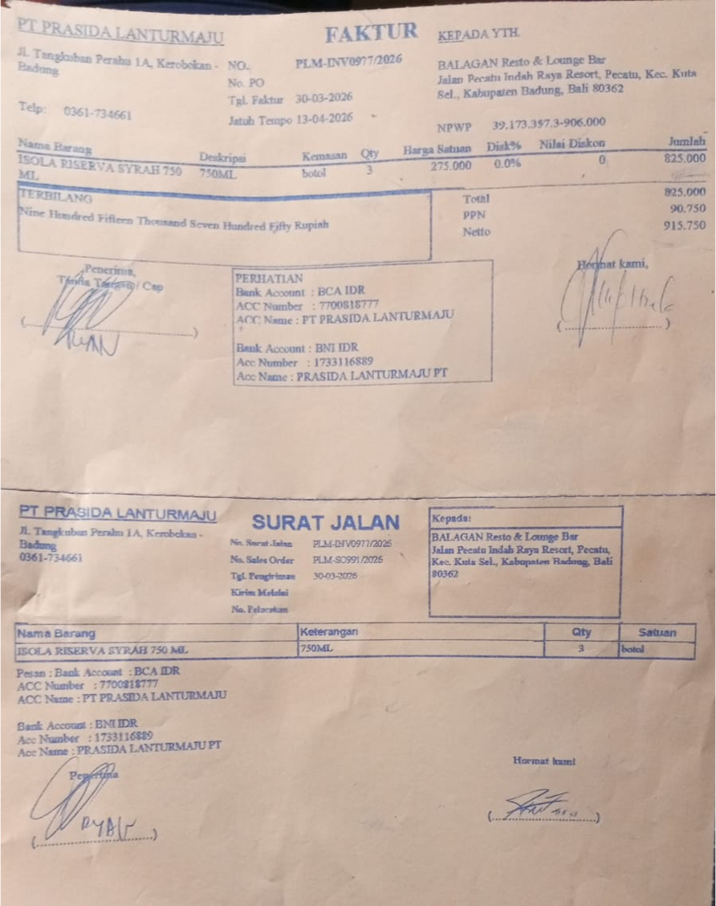 | IDR 275,000 | IDR 825,000 | 13-Apr-2026
SUBTOTAL |  |  | 3 |  | PPN | Rp90,750
TOTAL |  |  |  | Rp915,750
 |  |  |  |  |  | IDR -
SUBTOTAL |  |  | 0 |  | PPN | Rp-
TOTAL |  |  |  | Rp-
GRAND TOTAL |  |  |  | Rp1,315,750

